Basics
Foundation of Programming
1. HTML to define the content of web pages |  |  |  |  | /*Notes: Padding adds space. Z-Index floats sections or parts in front of others.
2. CSS to specify the layout of web pages |  |  |  |  | The default index is one, so anything set aside to a number higher will bring it to the front*/
3. JavaScript to program the behavior of web pages
 |  |  |  |  | Note: Whenever you create a webpage, the main page should be titled: index.html

MVC: Model, View, Controller
The architecture pattern

 |  | Model
 |  | Updates |  | Manipulates
 |  |  |  |  | Constructor
View (HTML/CSS) |  |  | Controller

 | Sees |  | Uses
 |  | User

Remember, no one can remember all of the thousands of elements, tags, commands, etc. that exist.
Just know what you want to do and learn/know where to look for it, and where to strategically place it into the document.

Software Development Life Cycle: Process followed in conceptualizing and executing coding projects on a macro and micro level.
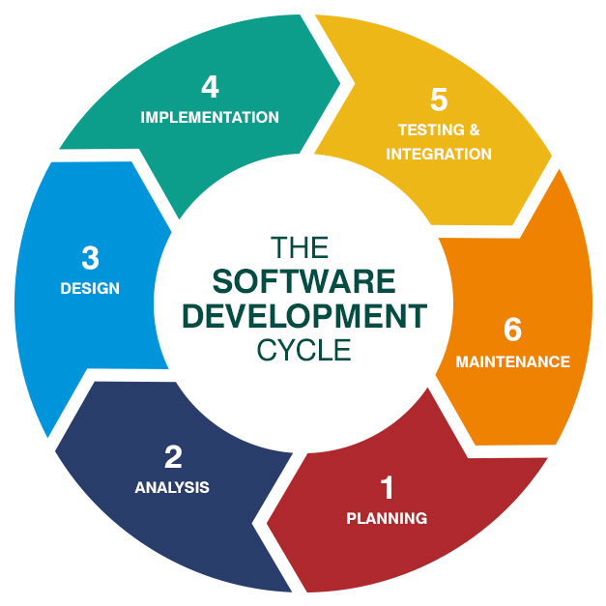

 |  |  |  | <-- Use this when planning your projects.

Document Object Model (DOM)
A structured representation of your HTML document
Tree of nodes created by the browser
JavaScript can be used to read/write/manipulate to the DOM

We are learning Full-Stack Development.
Front End | HTML, CSS, JavaScript, Angular (React is older and more popular than Angular, and Vue is up-and-coming with improvements on both Angular and React.)
Back End | Node, JS, Java, Python, C#, PHP (PHP is slower and not as popular anymore)
Database | No-SQL, SQL

MEAN
MongoDB - MongoDB is the leading NoSQL database, empowering businesses to be more agile and scalable.
Express - Express is a minimal and flexible node.js web application framework, providing a robust set of features for building single and multi-page, and hybrid web applications.
Angular - AngularJS lets you extend HTML vocabulary for your application. The resulting environment is extraordinarily expressive, readable, and quick to develop.
Node - Node.js is a platform built on Chrome’s JavaScript runtime for easily building fast, scalable network applications.

HTML
Elements
<Start Tag>Content</End Tag>

Types of Elements
1) Block Level Elements start from a new line.
For example: <h1>, <form>, <li>, <ol>, <ul>, <p>, <pre>, <table>, <div>, etc.

<pre> Preformatted Text

2) Inline Elements are normally displayed without line breaks.
For example: <b>, <a>, <strong>, <img>, <input>, <em>, <span>, etc.

Basic HTML Document Structure
<html>
<head>
<title>first page</title>
</head>
<body>
<p>This is a paragraph.</p>
<p>This is another paragraph.</p>
</body>
</html>

<html></html> Defines the entire document as HTML.
<head></head> Where all the overall formatting and important info goes, along with the Web Tab title.
<title>first page</title> Web Tab Title
<body></body> Where all the page information goes including headings, paragraphs, images, forms, footers, etc. go.
<br /> An empty HTML element. It has no end tag.

Difference between Div and Span:
<div> is a block-level element that is often used as a container for other HTML elements, and can be used to style blocks of content:
<span> is an inline element that is often used as a container for some text. When used together with CSS, the <span> element can be used to style parts of the text:

Formatting
<p>This is regular text </p>
<p><b> bold text </b></p>
<p><big> big text </big></p>
<p><i> italic text </i></p>
<p><small> small text </small></p>
<p><strong> strong text </strong></p>
<p><sub> subscripted text </sub></p>
<p><sup> superscripted text </sup></p>
<p><ins> inserted text </ins></p>
<p><del> deleted text </del></p>

Difference between Bold and Strong, Italic and Emphasis:
Browsers display <strong> as <b>, and <em> as <i>. However, the meanings of these tags differ: <b> and <i> define bold and italic text, respectively, while <strong> and <em> indicate that the text is "important".

Headings
<h1>This is heading 1</h1>
<h2>This is heading 2</h2>
<h3>This is heading 3</h3>
<h4>This is heading 4</h4>
<h5>This is heading 5</h5>
<h6>This is heading 6</h6>

Headings get smaller as the number increases. Search engines use Headings to index pages.

Lists and Tables
Lists
<li> Defines a list item
<ol> Ordered List
<ul> Unordered List

Table
<table> Defines a table.

<table>
<tr>
<td></td>
<td></td>
<td></td>
</tr>
<tr>
<th></th>
<th></th>
<th></th>
</tr>
</table>

<tr> Table Row
<td></td> Table Row Data/Cell; elements are regular and left-aligned by default.
<th></th> Table Heading Data/Cell; elements are bold and centered by default.

Colspan A table cell can span two or more columns.
Rowspan To make a cell span more than one row.
<table border="2">
<tr>
<td>Red</td>
<td>Blue</td>
<td>Green</td>
</tr>
<tr>
<td><br /></td>
<td colspan="2"><br /></td>
</tr>
</table>
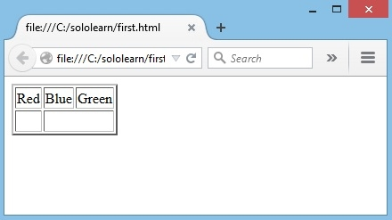

Table Example with Table Headings and Content:
<table>
<tr>
<th>Month</th>
<th>Savings</th>
</tr>
<tr>
<td>January</td>
<td>$100</td>
</tr>
<tr>
<td>February</td>
<td>$80</td>
</tr>
</table>

Result:
Month | Savings
January | $100
February | $80

Attributes
Attributes provide additional information about an element or a tag, while also modifying them. Most attributes have a value; the value modifies the attribute.
<p attribute="value"></p>

Measurements
Weight=
Height=
"…px" or "…%"

Align attribute is used to specify how the text is aligned.
align="[left, center, right]"

Images
<img src="image.jpg" />
It contains only attributes, and does not have a closing tag. URL or file path after src.
<img src="tree.jpg" alt="" />
In case the image cannot be displayed, the alt attribute specifies an alternate text that describes the image in words. The alt attribute is required.

Image border.
border="...px"

Adding a Link
<a href="">[Text, Image, etc. that shows up.]</a>

If you use target="_blank" the link opens in a new window or new tab.
<a href="[Link]" target="_blank">

Name Attribute used to specify a name for a form.
<form>
<input> Defines an input control.
<input type="text" name="username" /><br />
<input type="password" name="password" />
</form>

Radio Allows the user to select only one of a number of choices.
<input type="radio" name="gender" value="male" /> Male <br />
<input type="radio" name="gender" value="female" /> Female <br />

Checkbox Allows the user to select more than one option.
<input type="checkbox" name="gender" value="1" /> Male <br />
<input type="checkbox" name="gender" value="2" /> Female <br />

Submit Submits a form to its action attribute; button.
<input type="submit" value="Submit" />

Text Box
<textarea name="message"></textarea>

Background Color
<body bgcolor="#000099">

Font Color
<font color="#FFFFFF"> White headline </font>

Imbed Video
<iframe height="150" width="300" src="https://www.youtube.com/embed/Q6_5InVJZ88" allowfullscreen frameborder="0"></iframe>

Form
<form> Defines a form for user input.

Action
Attribute used to point to a webpage that will load after the user submits the form.
<form action="http://www.sololearn.com"></form>

JavaScript
JavaScript |  |  |  |  |  |  |  |  |  |  |  |  | Focuses in JavaScript:
JavaScript is one of the most popular programming languages on earth and is used to add interactivity to webpages, process data, as well as create various applications (mobile apps, desktop apps, games, and more) |  |  |  |  |  |  |  |  |  |  |  |  | Variables
Learning the fundamentals of a language will enable you to create the program you desire, whether client-side or server-side. |  |  |  |  |  |  |  |  |  |  |  |  | Objects
 |  |  |  |  |  |  |  |  |  |  |  |  | Function
What can I do with JavaScript? |  |  |  |  |  |  |  |  |  |  |  |  | If, Switch
Put/update HTML and CSS |  |  |  |  |  |  |  |  |  |  |  |  | Loops
Make your web pages reponsive |  |  |  |  |  |  |  |  |  |  |  |  | Number, String, Boolean
Validate forms |  |  |  |  |  |  |  |  |  |  |  |  | Arrays
Create cookies |  |  |  |  |  |  |  |  |  |  |  |  | Program Flow
Create animations, slideshows, scrollers, etc.

HTML vs JavaScript
JavaScript uses "events" and actions to make your page interactive
Placing a JavaScript in an external file has the following advantages:
- It separates HTML and code.
- It makes HTML and JavaScript easier to read and maintain.
- Cached JavaScript files can speed up page loads.

Internal Script Used to define a JavaScript command within an HTML document.
<script></script>
Source JS into an HTML document, in either the <body> or <head> section using:
<script src=""></script>
Put JavaScript tag at the bottom of the content in the Body section, because the browswer reads from top to bottom. So, we're essentially giving the browser the information/content that we're working with, then telling it what to do with it by putting the <script> at the end.

If adding JS commands like text directly to HTML document, use the element:
<script>document.write("Hello World!");</script>

External scripts (.js files) are useful and practical when the same code is used in a number of different web pages.
If working out of a JS document, use the command:
document.write("")

Formatting Script
Just like in HTML, we can use HTML tags to format text in JavaScript.
<script> document.write("<h1>Hello World!</h1>");</script>

JavaScript
Type | Number - can have decimals
 | String
Variables
Functions/Methods
Array - a list of numbers or a list of strings
Object - a thing with a property inside of it (i.e. A person, age, etc.)
String - a line of text ("") or (' ') is called a string, no matter the method of coding (HTML, CSS, JS, etc.), and will show as words, not as a number or anything to be operated on.

JavaScript Attributes
alert
document.write
// | Single Line (Invisible) Comments
/**/ | Multi-Line (Invisible) Comment

Variables (Var)
Containers for storing data values.
Can change throughout the program.

Naming rules:
Can include letters, numbers, underscores, dollar signs
- The first character must be a letter, an underscore (_), or a dollar sign ($). Subsequent characters may be letters, digits, underscores, or dollar signs.
- Numbers are not allowed as the first character.
- Variable names cannot include a mathematical or logical operator in the name. For instance, 2*something or this+that;
- JavaScript names must not contain spaces.
- You must not use any special symbols, like my#num, num%, etc.
- Hyphens are not allowed in JavaScript. It is reserved for subtractions.
- Every written "instruction" is called a statement. JavaScript statements are separated by semicolons. (Example: document.write('Hello!');)

Example:
var x = 10;
The variable x is assigned the value 10.

- JavaScript variable are are case-sensitive. For example, the variables lastName and lastname, are two different variables.
 | Camel Case
 | var myFavoriteNumber;

 | Partial Case
 | var MyFavoriteNumer;

 | Underscore
 | var my_favorite_number;

Example:
In the example below we changed x to uppercase:
var x = 100;
document.write(X);
This code will not result in any output, as x and X are two different variables.

Variable Analogy:
var surname = prompt('Greetings friend, may I enquire as to your surname?');
Variable is like a shelf or container that you've named.
Name it whatever you want, but it's best to name it something relevant. Example: surname
When you type a variable name into the console you are asking the browser, which looks after the shelves, to go find the shelf and give what’s on it to you.
So, in this case, it's telling you to find the "surname" shelf.
Variable’s value is what's on the shelf. Example: prompt ('Greetings…).

Two Parts to Creating a Variable:
Declaration - declaring a variable to exist. To return to the shelf metaphor, it’s like picking an empty shelf in a massive warehouse and putting a name on it. To declare a variable, use the var keyword followed by the variable name. Example: var surname.
Initialization - giving a variable its value for the first time; a value which can change later, but it is only initialized once. Initialize a variable using the equals sign (=). Example: var surname = 'Williams'

Then, assign it's value. You again use the equals sign, but there’s no need for the var keyword because we’ve already declared the variable.
name = "Andy";
age = 43;

Strings
Must be written within quotes.
Quotes inside the string must be handled. The backslash (\) escape character turns special characters into string characters.
If you begin a string with a single quote, then you should also end it with a single quote. The same rule applies to double quotes. Otherwise, JavaScript will become confused.

Example:
var sayHello = 'Hello world! \'I am a JavaScript programmer.\' ';
document.write(sayHello);

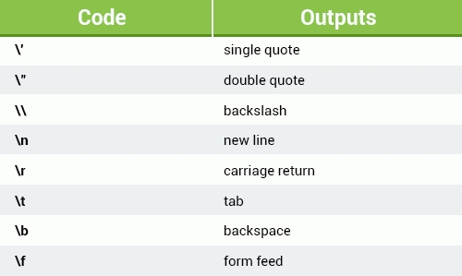

String Operators
The most useful operator for strings is concatenation, represented by the + sign.
Concatenation can be used to build strings by joining together multiple strings, or by joining strings with other types:

var mystring1 = "I am learning ";
var mystring2 = "JavaScript with SoloLearn.";
document.write(mystring1 + mystring2);

The above example declares and initializes two string variables, and then concatenates them.

Numbers in quotes are treated as strings: "42" is not the number 42, it is a string that includes two characters, 4 and 2.

Arrays
Store multiiple variables in a value
 | var colors = ['red', 'blue', 'green']; <--Example of an array
 | alert(colors); <-- Will display a pop up with all of the variables.

 | The first value of an array is [0].
 | In this array, 'blue' will be [1].

 | To call on a value in the array:
 | alert(colors[0]; <-- Calls on red.

 | Adding a new array:
 | var colors = new Array('red', 'yellow', 'orange);
 | colors.push('purple');
 | alert(colors[3]);

 | To add to an array indirectly, we can say:
 | colors.push('purple'); <--This is an example of a dot syntax.
 | alert(colors[3]);

 | A sequence can include numbers and strings.
 | var numbers = [5, 77, 6, 'Seven']
 | alert(numbers [0] + [2]) <-- This will give you a sum of 7 in an alert.
 | alert(numbers.length); <--This is an example of a property. It will tell you how many values are in the array.
 | alert(numbers.sort()); <-- This will sort the values by number order.
 | alert(numbers.reverse()); <-- This will sort the values by number order in reverse.

The Equal Sign
In JavaScript, the equal sign (=) is called the "assignment" operator, rather than an "equal to" operator.
For example, x = y will assign the value of y to x.
A variable can be declared without a value. The value might require some calculation, something that will be provided later, like user input.
A variable declared without a value will have the value undefined.

- Be sure that you do not use any of the following JavaScript reserved words. When you get more familiar with JavaScript, remembering these keywords will Be much easier.
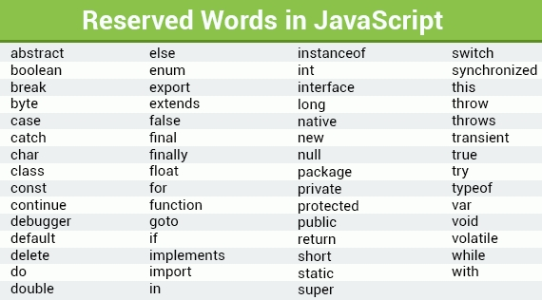

Arithmetic Operators
Arithmetic operators perform arithmetic functions on numbers (literals or variables).

In the example below, the addition operator is used to determine the sum of two numbers.
var x = 10 + 5;
document.write(x);
Output is 15.

You can add as many numbers or variables together as you want or need to.
var x = 10;
var y = x + 5 + 22 + 45 + 6548;
document.write(y);
//Outputs 6630

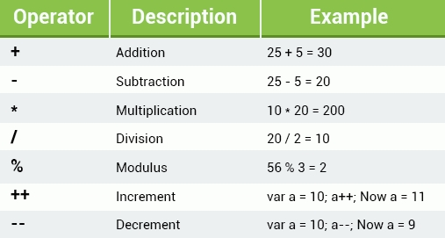

Increment & Decrement
The Increment Operator (Increment ++)
The numeric value of its operand by one.
If placed before the operand, it returns the incremented value.
If placed after the operand, it returns the original value and then increments the operand.
Example: var a = 10; a++; Now a=11
 | Operand is 'a', ++ is the operator, the original value is 10, and the returned value is 11.
 | Question: Why would you put the operator before/after the operand?
The Decrement Operator (Decrement --)
Decrements the numeric value of its operand by one.
If placed before the operand, it returns the decremented value.
If placed after the operand, it returns the original value and then decrements the operand.
 | Operand is 'a'
 | The operator is --
 | The original value is 10
 | The returned value is 9

Some examples:
As in school mathematics, you can change the order of the arithmetic operations by using parentheses.
Example: var x = (100 + 50) * 3;

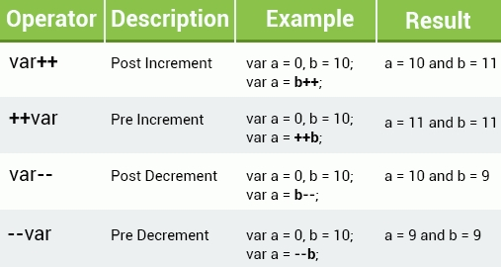

Assignment Operators
Assignment operators assign values to JavaScript variables.
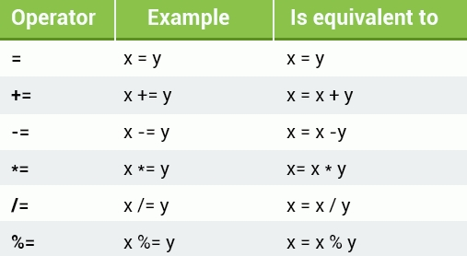

Comparison Operators
Comparison operators are used in logical statements to determine equality or difference between variables or values. They return true or false.

The equal to (==) operator checks whether the operands' values are equal.
var num = 10;
// num == 8 will return false

When using operators, be sure that the arguments are of the same data type; numbers should be compared with numbers, strings with strings, and so on.

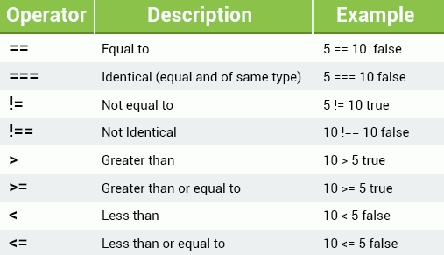
 |  |  |  |  |  |  |  |  | Operator | Description | Example | Notes
 |  |  |  |  |  |  |  |  | == | Equal to | 5==10 false
 |  |  |  |  |  |  |  |  | === | Identical (equal and of same type) | 5===10 false
 |  |  |  |  |  |  |  |  | != | Not equal to | 5!=10 true
 |  |  |  |  |  |  |  |  | !== | Not Identical | 10!==10 false
 |  |  |  |  |  |  |  |  | > | Greater than | 10>5 true
 |  |  |  |  |  |  |  |  | >= | Greather than or equal to | 10>=5 true
 |  |  |  |  |  |  |  |  | < | Less than | 10<5 false
 |  |  |  |  |  |  |  |  | <= | Less than or equal to | 10<=5 false

 |  |  |  |  |  |  |  |  | For More Info: https://developer.mozilla.org/en-US/docs/Web/JavaScript/Equality_comparisons_and_sameness

Logical Operators
In JavaScript Boolean, you can have one of two values, either true or false.
These are useful when you need a data type that can only have one of two values, such as Yes/No, On/Off, True/False.
The Boolean value of 0 (zero), null, undefined, empty string is false.
Everything with a "real" value is true.

Example: var isActive = true;
var isHoliday = false;

The table below explains the logical operators (AND, OR, NOT).
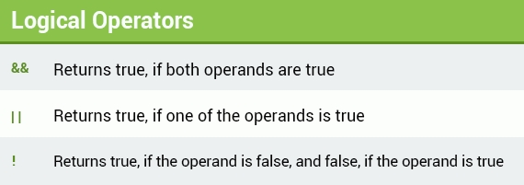

And |  |  | Or |  |  | Not
L | R | Answer | L | R | Answer | L | R | Answer
T | T | T | T | T | T
T | F | F | T | F | T
F | T | F | F | T | T
F | F | F | F | F | F

In the following example, we have connected two Boolean expressions with the AND operator.

Example:
(4 > 2) && (10 < 15)

For this expression to be true, both conditions must be true.
- The first condition determines whether 4 is greater than 2, which is true.
- The second condition determines whether 10 is less than 15, which is also true.
Based on these results, the whole expression is found to be true.

Conditional (Ternary) Operator
Another JavaScript conditional operator assigns a value to a variable, based on some condition.
Syntax: variable = (condition) ? value1: value2

For example:
var isAdult = (age < 18) ? "Too young": "Old enough";

If the variable age is a value below 18, the value of the variable isAdult will be "Too young". Otherwise the value of isAdult will be "Old enough".
Logical operators allow you to connect as many expressions as you wish.

String Operators
The most useful operator for strings is concatenation, represented by the + sign.
Concatenation can be used to build strings by joining together multiple strings, or by joining strings with other types:
var mystring1 = "I am learning ";
var mystring2 = "JavaScript with SoloLearn.";
document.write(mystring1 + mystring2);

The above example declares and initializes two string variables, and then concatenates them.
Numbers in quotes are treated as strings: "42" is not the number 42, it is a string that includes two characters, 4 and 2.

Data Types
The types of values with which a program can work.
Examples: numbers, strings, arrays, etc.
Unlike many other programming languages, JavaScript does not define different types of numbers (with or without decimals), like integers, short, long, floating-point, etc.

The if Statement
Very often when you write code, you want to perform different actions based on different conditions.
You can do this by using conditional statements in your code.

Use if to specify a block of code that will be executed if a specified condition is true.
if (condition) {statements}

The statements will be executed only if the specified condition is true.

Example:
True Conditional Statement:
var myNum1 = 7;
var myNum2 = 10;
if (myNum1 < myNum2) {
alert("JavaScript is easy to learn.");
}

False Conditional Statement:
var myNum1 = 7;
var myNum2 = 10;
if (myNum1 > myNum2) {
alert("JavaScript is easy to learn.");
}

As the condition evaluates to false, the alert statement is skipped and the program continues with the line after the if statement's closing curly brace.
Note that if is in lowercase letters. Uppercase letters (If or IF) will generate an error.

The else Statement
Use the else statement to specify a block of code that will execute if the condition is false.
if (expression) {
// executed if condition is true
} else {
// executed if condition is false
}

Example:
var myNum1 = 7;
var myNum2 = 10;
if (myNum1 > myNum2) {
alert("This is my first condition");
} else {
alert("This is my second condition");
}

The above example says:
- If myNum1 is greater than myNum2, alert "This is my first condition";
- Else, alert "This is my second condition".

The browser will print out the second condition, as 7 is not greater than 10.

Conditionals
If statements, if else, switches, etc.

If Statement:
if(1==1){
 | console.log('This is true');
}
If you use ===, the condition must be true. If not, it won't show up.

var var1 = 3;
var var2 = 4;
if (var1 == var2){
 | console.log{'This is true');
} | else{
 | console.log{'This is false');
}

var fruit = 'apple';
switch (fruit){
 | case "bananna":
 | alert('I hate banannas');
 | break;
 | case "apple":
 | alert ('I love apples');
 | break;
 | case "orange":
 | alert ('Oranges are ok');
 | break;
 | default:
 | alert('I love all other fruits');
 | break;
}

var person = {
 | firstName: 'Brad',
 | lastName: 'Traversy',
 | age: 34
 | children: ['Brianna', 'Nicholas']
 | address:{
 |  | street: '555 Something St'
 |  | city: 'Boston'
 |  | state: 'MA'
}

console.log(person.firstName());

The switch Statement
In cases when you need to test for multiple conditions, writing if else statements for each condition might not be the best solution.
The switch statement is used to perform different actions based on different conditions.

switch (expression) {
case n1:
statements
break;
case n2:
statements
break;
default:
statements
}
The switch expression is evaluated once. The value of the expression is compared with the values of each case. If there is a match, the associated block of code is executed.
You can achieve the same result with multiple if...else statements, but the switch statement is more effective in such situations.

Example:
var day = 2;
switch (day) {
case 1:
document.write("Monday");
break;
case 2:
document.write("Tuesday");
break;
case 3:
document.write("Wednesday");
break;
default:
document.write("Another day");
}

// Outputs "Tuesday"

You can have as many case statements as needed.

Break
When JavaScript code reaches a break keyword, it breaks out of the switch block.
This will stop the execution of more code and case testing inside the block.
Usually, a break should be put in each case statement.

Default
Specifies the code to run if there is no case match.

var color ="yellow";
switch(color) {
case "blue":
document.write("This is blue.");
break;
case "red":
document.write("This is red.");
break;
case "green":
document.write("This is green.");
break;
case "orange":
document.write("This is orange.");
break;
default:
document.write("Color not found.");
}

//Outputs "Color not found."

The default block can be omitted, if there is no need to handle the case when no match is found.

Loops -Iterate trhough something, whether an array, results from a database, etc.
Loops can execute a block of code a number of times. They are handy in cases in which you want to run the same code repeatedly, adding a different value each time.
JavaScript has three types of loops: for, while, and do while.
*For
*While
*Do While

For Loop:
Commonly used when creating a loop.
 | for (statement 1; statement 2; statement 3) {code block to be executed}
 | for(variable; condition; increment){output is what we want to happen through each iteration}
 | for (the variable is I, which equals 0 to begin with; as long as 1 is less than 10; increment by 1)
 | {after each iteration, we're going console.log i, which is going to change throuh each iteration, because we're adding 1 to it.
 | These things will print out in the console, not on the page itself. It'll stop at numbers before 10 unless we say i<=10 in the condition}

 | for(var i = 0; i<10; i++){
 |  | console.log(i);
 | {

Statement 1 is executed before the loop (the code block) starts.
Statement 2 defines the condition for running the loop (the code block).
Statement 3 is executed each time after the loop (the code block) has been executed.
As you can see, the classic for loop has three components, or statements.

Example:
a for loop that prints numbers 1 through 5
for (i=1; i<=5; i++) {
document.write(i + "<br />");
}

In this example, Statement 1 sets a variable before the loop starts (var i = 1).
Statement 2 defines the condition for the loop to run (i must be less than or equal to 5).
Statement 3 increases a value (i++) each time the code block in the loop has been executed.

Statement 1 is optional, and can be omitted, if your values are set before the loop starts.
var i = 1;
for (; i<=5; i++) {
document.write(i + "<br />");
}

Also, you can initiate more than one value in statement 1, using commas to separate them.
for (i=1, text=""; i<=5; i++) {
text = i;
document.write(i + "<br />");
}

Statement 2 is also optional, if you provide a break inside the loop. Otherwise, the loop will never end.
If it returns true, the loop will start over again, if it returns false, the loop will end.

Statement 3 is also optional, if you increment your values inside the loop.
Statement 3 is used to change the initial variable. It can do anything, including negative increment (i--), positive increment (i = i + 15), or anything else.
var i = 0;
for (; i < 10; ) {
document.write(i);
i++;
}

The While Loop
The while loop repeats through a block of code, as long as a specified condition is true.
 | while(condition;){output; increment}
 | {after each iteration, we're going console.log i, which is going to change throuh each iteration, because we're adding 1 to it. These things will print out in the console, not on the page itself. It'll stop at numbers before 10 unless we say i<=10 in the condition}
 | while(as long as i<10){what we want to do to each generation, which is to console.log I in increments of 1}
 | while(i<10){
 |  | var i=0;
 |  | console.log(i);
 |  | i++;
 | }

Syntax:
while (condition) {code block}

The condition can be any conditional statement that returns true or false.

Example:
var i=0;
while (i<=10) {
document.write(i + "<br />");
i++;
}

The loop will continue to run as long as i is less than, or equal to, 10. Each time the loop runs, it will increase by 1.

This will output the values from 0 to 10.

If you forget to increase the variable used in the condition, the loop will never end.

Make sure that the condition in a while loop eventually becomes false.

The Do...While Loop
A variant of the while loop. This loop will execute the code block once, before checking if the condition is true, and then it will repeat the loop as long as the condition is true.

do {
code block
}
while (condition);

Note the semicolon used at the end of the do...while loop.

Example:
var i=20;
do {
document.write(i + "<br />");
i++;
}
while (i<=25);

This prints out numbers from 20 to 25.

The loop will always be executed at least once, even if the condition is false, because the code block is executed before the condition is tested.

For Each Loops:
Used to work with arrarys.
 | var numbers = [33, 54, 76, 34, 2, 6];
 | numbers.forEach(function(number){
 |  | console.log(number[i]);
 | });

 | Alternative Method:
 | var numbers = [33, 54, 76, 34, 2, 6];
 | for (var I = 0; i < numbers.length; i++){
 |  | console.log(numbers[i]);

 | Numbers in Reverse:
 | var numbers = [33, 54, 76, 34, 2, 6];
 | numbers.reverse();
 | for (var I = 0; i < numbers.length; i++){
 |  | console.log(numbers[i]);

Break
The break statement "jumps out" of a loop and continues executing the code after the loop.
for (i = 0; i <= 10; i++) {
if (i == 5) {
break;
}
document.write(i + "<br />");
}

Once i reaches 5, it will break out of the loop.

Continue
The continue statement breaks only one iteration in the loop, and continues with the next iteration.
for (i = 0; i <= 10; i++) {
if (i == 5) {
continue;
}
document.write(i + "<br />");
}

The value 5 is not printed, because continue skips that iteration of the loop.

JavaScript Functions
A JavaScript function is a block of code designed to perform a particular task.
The main advantages of using functions:
Code reuse: Define the code once, and use it many times.
Use the same code many times with different arguments, to produce different results.
A JavaScript function is executed when "something" invokes, or calls, it.

Defining a Function
To define a JavaScript function, use the function keyword, followed by a name, followed by a set of parentheses ().
The code to be executed by the function is placed inside curly brackets {}.
function name() {
//code to be executed
}
Function names can contain letters, digits, underscores, and dollar signs (same rules as variables).

Naming and Calling a Function
To execute the function, you need to call it.
To call a function, start with the name of the function, then follow it with the arguments in parentheses.
Example:
function myFunction() { <-- Naming a Function
alert("Calling a Function!");
}

myFunction(); <--Calling a Function
//Alerts "Calling a Function!"

Always remember to end the statement with a semicolon after calling the function.

Once the function is defined, JavaScript allows you to call it as many times as you want to.
function myFunction() {
alert("Alert box!");
}

myFunction();
//"Alert box!"

// some other code

myFunction();
//"Alert box!"

Function Parameters
Functions can take parameters.
Function parameters are the names listed in the function's definition.

Syntax:
functionName(param1, param2, param3) {
// some code
}
As with variables, parameters should be given names, which are separated by commas within the parentheses.

Using Parameters
After defining the parameters, you can use them inside the function.
function sayHello(name) {
alert("Hi, " + name);
}

sayHello("David");
//Alerts "Hi, David"

This function takes in one parameter, which is called name. When calling the function, provide the parameter's value (argument) inside the parentheses.
Function arguments are the real values passed to (and received by) the function.

Function Parameters
You can define a single function, and pass different parameter values (arguments) to it.
function sayHello(name) {
alert("Hi, " + name);
}
sayHello("David");
sayHello("Sarah");
sayHello("John");

This will execute the function's code each time for the provided argument.

Multiple Parameters
You can define multiple parameters for a function by comma-separating them.
function myFunc(x, y) {
// some code
}
The example above defines the function myFunc to take two parameters.

The parameters are used within the function's definition.
function sayHello(name, age) {
document.write( name + " is " + age + " years old.");

When calling the function, provide the arguments in the same order in which you defined them.
function sayHello(name, age) {
document.write( name + " is " + age + " years old.");
}

sayHello("John", 20)
//Outputs "John is 20 years old."

After defining the function, you can call it as many times as needed.
JavaScript functions do not check the number of arguments received.
If a function is called with missing arguments (fewer than declared), the missing values are set to undefined, which indicates that a variable has not been assigned a value.

Function Return
A function can have an optional return statement. It is used to return a value from the function.

This statement is useful when making calculations that require a result.
When JavaScript reaches a return statement, the function stops executing.

Use the return statement to return a value.

For example, let's calculate the product of two numbers, and return the result.
function myFunction(a, b) {
return a * b;
}

var x = myFunction(5, 6);
// Return value will end up in x
// x equals 30

If you do not return anything from a function, it will return undefined.

Another example:
function addNumbers(a, b) {
var c = a+b;
return c;
}
document.write( addNumbers(40, 2) );
//Outputs 42

The document.write command outputs the value returned by the function, which is the sum of the two parameters.

Alert, Prompt and Confirm
JavaScript offers three types of popup boxes, the Alert, Prompt, and Confirm boxes.

Alert Box
An alert box is used when you want to ensure that information gets through to the user.
When an alert box pops up, the user must click OK to proceed.
The alert function takes a single parameter, which is the text displayed in the popup box.
Example:
alert("Do you really want to leave this page?");

To display line breaks within a popup box, use a backslash followed by the character n.
alert("Hello\nHow are you?");

Prompt Box
A prompt box is often used to have the user input a value before entering a page.
When a prompt box pops up, the user will have to click either OK or Cancel to proceed after entering the input value.
If the user clicks OK, the box returns the input value. If the user clicks Cancel, the box returns null.

The prompt() method takes two parameters.
- The first is the label, which you want to display in the text box.
- The second is a default string to display in the text box (optional).

Example:
var user = prompt("Please enter your name");
alert(user);

Confirm Box
A confirm box is often used to have the user verify or accept something.
When a confirm box pops up, the user must click either OK or Cancel to proceed.
If the user clicks OK, the box returns true. If the user clicks Cancel, the box returns false.

Example:
var result = confirm("Do you really want to leave this page?");
if (result == true) {
alert("Thanks for visiting");
}
else {
alert("Thanks for staying with us");
}

Look up IIFE

Events
In HTML:
<div>
<button onclick="changeText(this)">Click Me</button>
</div>

<script>
function changeText(id){
 | id.innerHTML = 'You Clicked!';
}
</script>

Document Objects (From the YouTube Video In Class)

Methods and functions are the same thing.

For Loops: https://www.youtube.com/watch?v=BxFi7vVZx4s
A For Loop Includes Three Statements:
1) Initializer or Starter or Starting Point
2) Condition for when your loop should end
3) Increment or decrement, continues up or down

Example:
for (var i=0; i<=num; i++){
console.log(i);
}

https://www.youtube.com/watch?v=Bv_5Zv5c-Ts
Syntax Parser: A program that reads your code and determines what it does and if its grammar is valid.
(Your code isn't magic. Someone else wrote a program to translate it for the computer.)
Note: This is what happens between your html or js file and the browser.

Lexical Environment: Where something sits physcally in the code you write.
('Lexical' means 'having to do with grammar'. A lexical environment exists in programming languages in which where you write something is important.)
Note: So, for example, it's important to put the <script> tag in the <body> beneath the content.

Execution Context: A wrapper to help manage the code that is running.
(There are lots of lexical environments. Which one is currently running is managed via execution contexts. It can contain things beyond what you've written in your code.)
Note: It contains and runs your code, but at the same time contains other actions and bits of info beyond what you're doing.

Name/Value Pairs and Objects
Name/Value Pair: A name which maps to a unique value
(The name may be defined more than once, but only can have one value in any given context.
The value may be more name/value pairs.)
Example: Address = '100 Main St'
Address is the name, 100 Main St is the value.

Object: A collection of name/value pairs.
Example:
Address:
{
 | Street: 'Main'
 | Number: 100
 | Apartment:
 | {
 | Floor: 3
 | Number: 301
 | }
}

Where does this go?:
Gives you a number added together. Output is 75:
var number1=35;
var number2=40;
alert(number1+number2);

Displaying a string with a number "My favorite number is 35.":
var number1=35;
var number2=40;
alert('My favorite number is' + number1);

Displaying a string of numbers 3540:
var number1='35';
var number2='40';
alert(number1+number2);

